Instructions
Welcome to the Volumetric Post-Construction BMP Sizing Tool

The Phase II MS4 Permit requires the municipality to condition applicable new development and redevelopment projects to require facilities designed to evapotranspire, infiltrate, harvest/use, and biotreat storm water to meet at least one of the following hydraulic sizing design criteria:
Volumetric Criteria:
The maximized capture storm water volume for the tributary area, on the basis of historical rainfall records, determined using the formula and volume capture coefficients in Urban Runoff Quality Management, WEF Manual of Practice No. 23/ASCE Manual of Practice No. 87 (1998) pages 175-178 (that is, approximately the 85th percentile 24-hour storm runoff event); or
The volume of annual runoff required to achieve 80 percent or more capture, determined in accordance with the methodology in Section 5 of the CASQA’s Stormwater Best Management Practice Handbook, New Development and Redevelopment (2003), using local rainfall data.
In this worksheet, capture volumes can be calculated using both of these volumetric criteria methods. Both methods are described in Section 5 of the 2003 edition of the CASQA Stormwater Best Management Practice Handbook for New Development and Redevelopment. Section 5 of the handbook can be accessed and downloaded for free at the following web link:
www.casqa.org/sites/default/files/BMPHandbooks/BMP_NewDevRedev_Section_5.pdf
Instructions:
Start by entering the data on the “Volume Calculation” tab in the white boxes. It may be necessary to split up the project site into discrete drainage management areas (DMAs) where different “treatment” methods will be used. An example of this would be for a medical complex development where runoff from the parking lot is infiltrated through porous pavement and bioswales; runoff from the building roofs are infiltrated into rain gardens built into the landscaping; and a large undeveloped vegetated area has been graded to act as a retention area. In this case, it would be appropriate to have at least three different DMAs. Provide a name for each DMA and, in Step 1, enter the total area (in square feet) for the DMA.
Calculate the percentage of the DMA for completed project that will be impervious to storm water (i.e. hardscape such as building, asphalt, concrete, etc.) and enter it into the white box in Step 2. Also enter the number of existing and planned trees in the DMA, distinguishing between the number of evergreen and the number of deciduous varieties.
In Step 3, using Google Earth and the map on the worksheet’s “State Map” tab, determine the distance along the blue line from the Sacramento weather station. Indicate if the project is relatively north or south of Sacramento. If the project is due east or west of the blue line, measure the distance from the perpendicular intercept of the blue line and the Sacramento weather station. If the project is immediately east or west of the Sacramento weather station, the distance would be zero. This does not have to be exact and is a rough determination of the position of the project relative to the latitude of the Sacramento weather station and the other available weather stations. Rain amounts are relatively higher north of Sacramento and relatively lower south of Sacramento. The CASQA volumetric determination method (referenced above) only includes three relevant weather stations in the Central Valley, which are Redding, Sacramento, and Fresno.
Using the information presented under the “Runoff Coefficients” worksheet tab, determine the average runoff coefficient for the DMA and enter it into the white box in Step 4. Document how the average coefficient was determined.
In Step 5, the capture volumes using both methods allowed by the Phase II MS4 Permit are presented. The project proponent has the option of using either one. Select the one that will be used.
Please note that this sizing tool is only valid for projects located within the California Central Valley from Shasta County in the north to Fresno County in the south. Projects located in the Sierras, Bay Area, coastal mountains, or along the coast cannot use this tool. Projects south of Fresno County cannot use this tool without it being altered.
For assistance with this tool, contact John Teravskis of WGR Southwest, Inc. at jteravskis@wgr-sw.com or at (209) 334-5363 x.110.
© Copyright by WGR Southwest, Inc., 2014. This worksheet and the calculations in it may only be used by permission. Permission is granted by WGR Southwest, Inc. to the collaborating municipalities listed in Appendix 10 of WGR's copyrighted Post-Construction Standards Plan. This worksheet may be used by project proponents submitting post-construction plans to any of the municipalities listed in Appendix 10 of the Post-Construction Standards Plan.

State Map
State Map with Weather Stations
from Appendix D of the California Storm Water BMP Handbook for New Development and Redevelopment

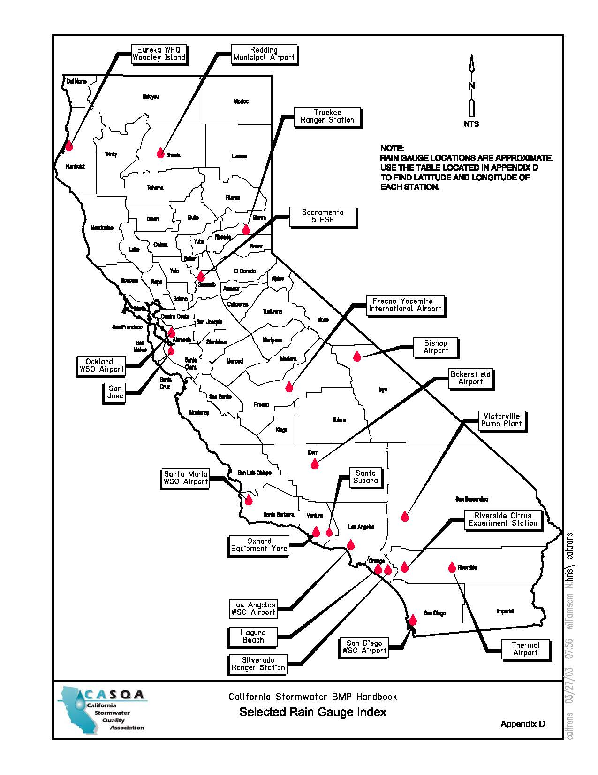

Approx. 160 miles
Approx. 150 miles

Redding Rain Graph
Rain Gauge Data for Redding, CA
from Appendix D of the California Storm Water BMP Handbook for New Development and Redevelopment

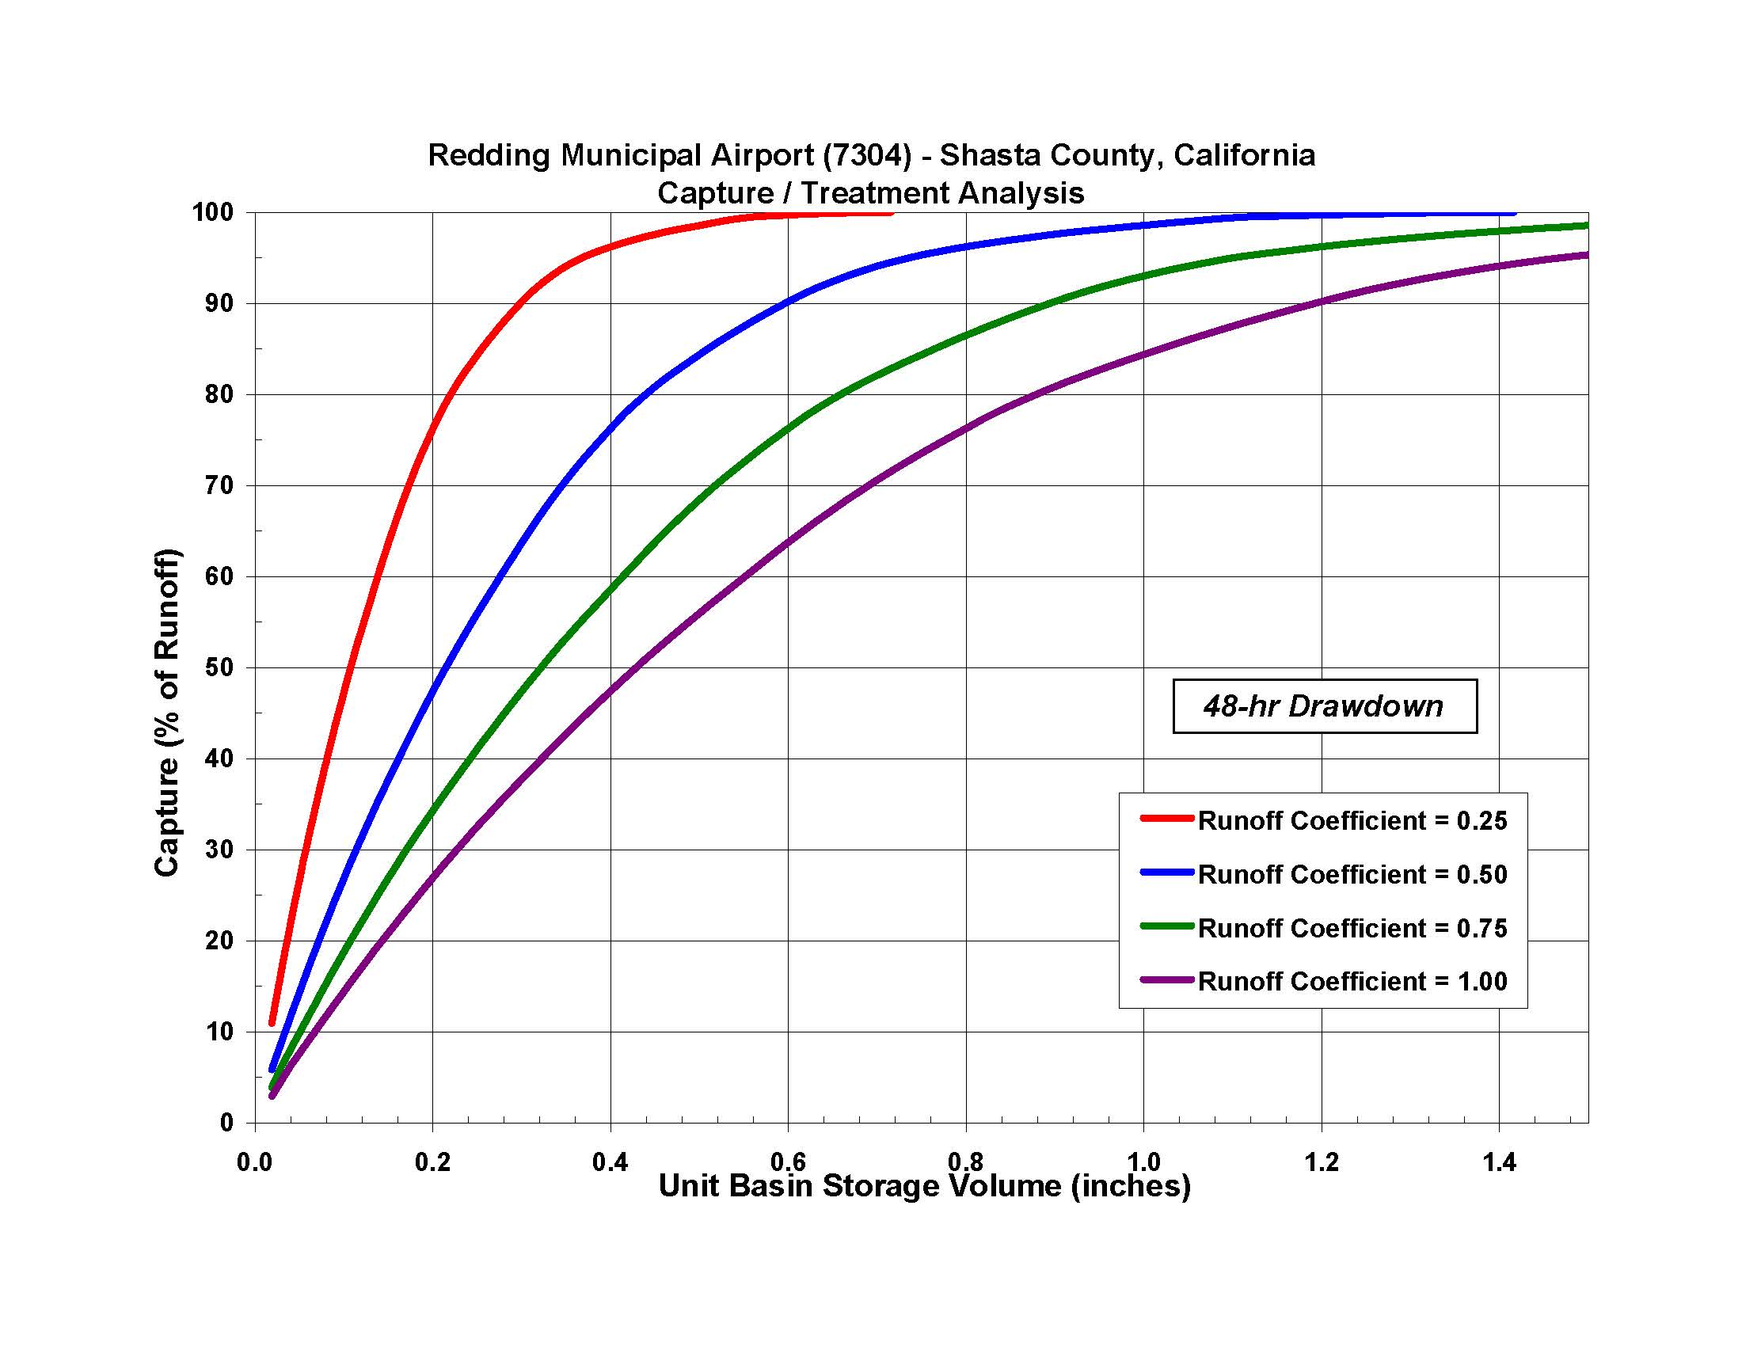
0.88
0.66
0.44
0.22

Sacramento Rain Graph
Rain Gauge Data for Sacramento, CA
from Appendix D of the California Storm Water BMP Handbook for New Development and Redevelopment
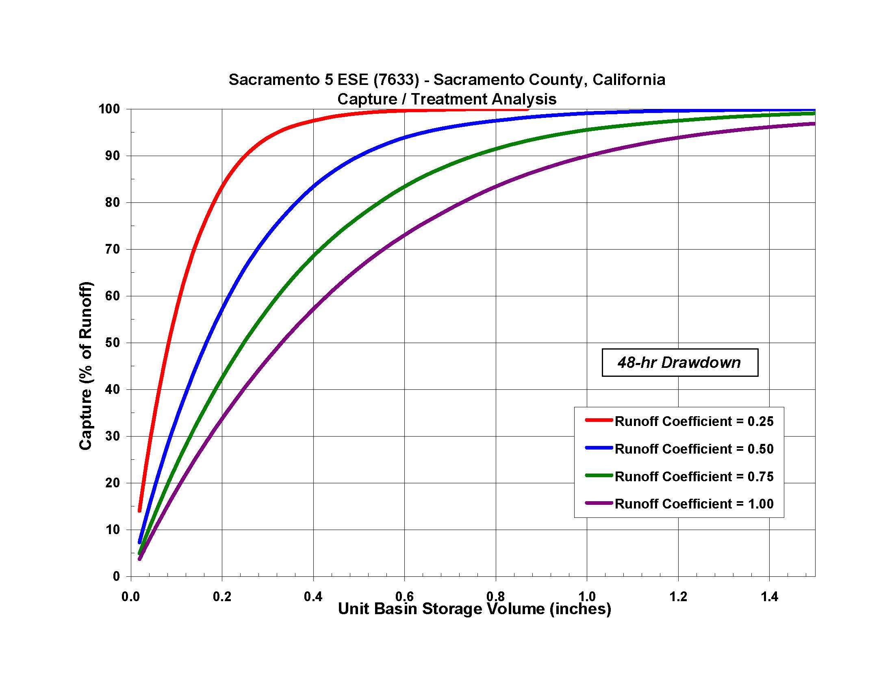

0.72
0.54
0.36
0.18

Fresno Rain Graph
Rain Gauge Data for Fresno, CA
from Appendix D of the California Storm Water BMP Handbook for New Development and Redevelopment
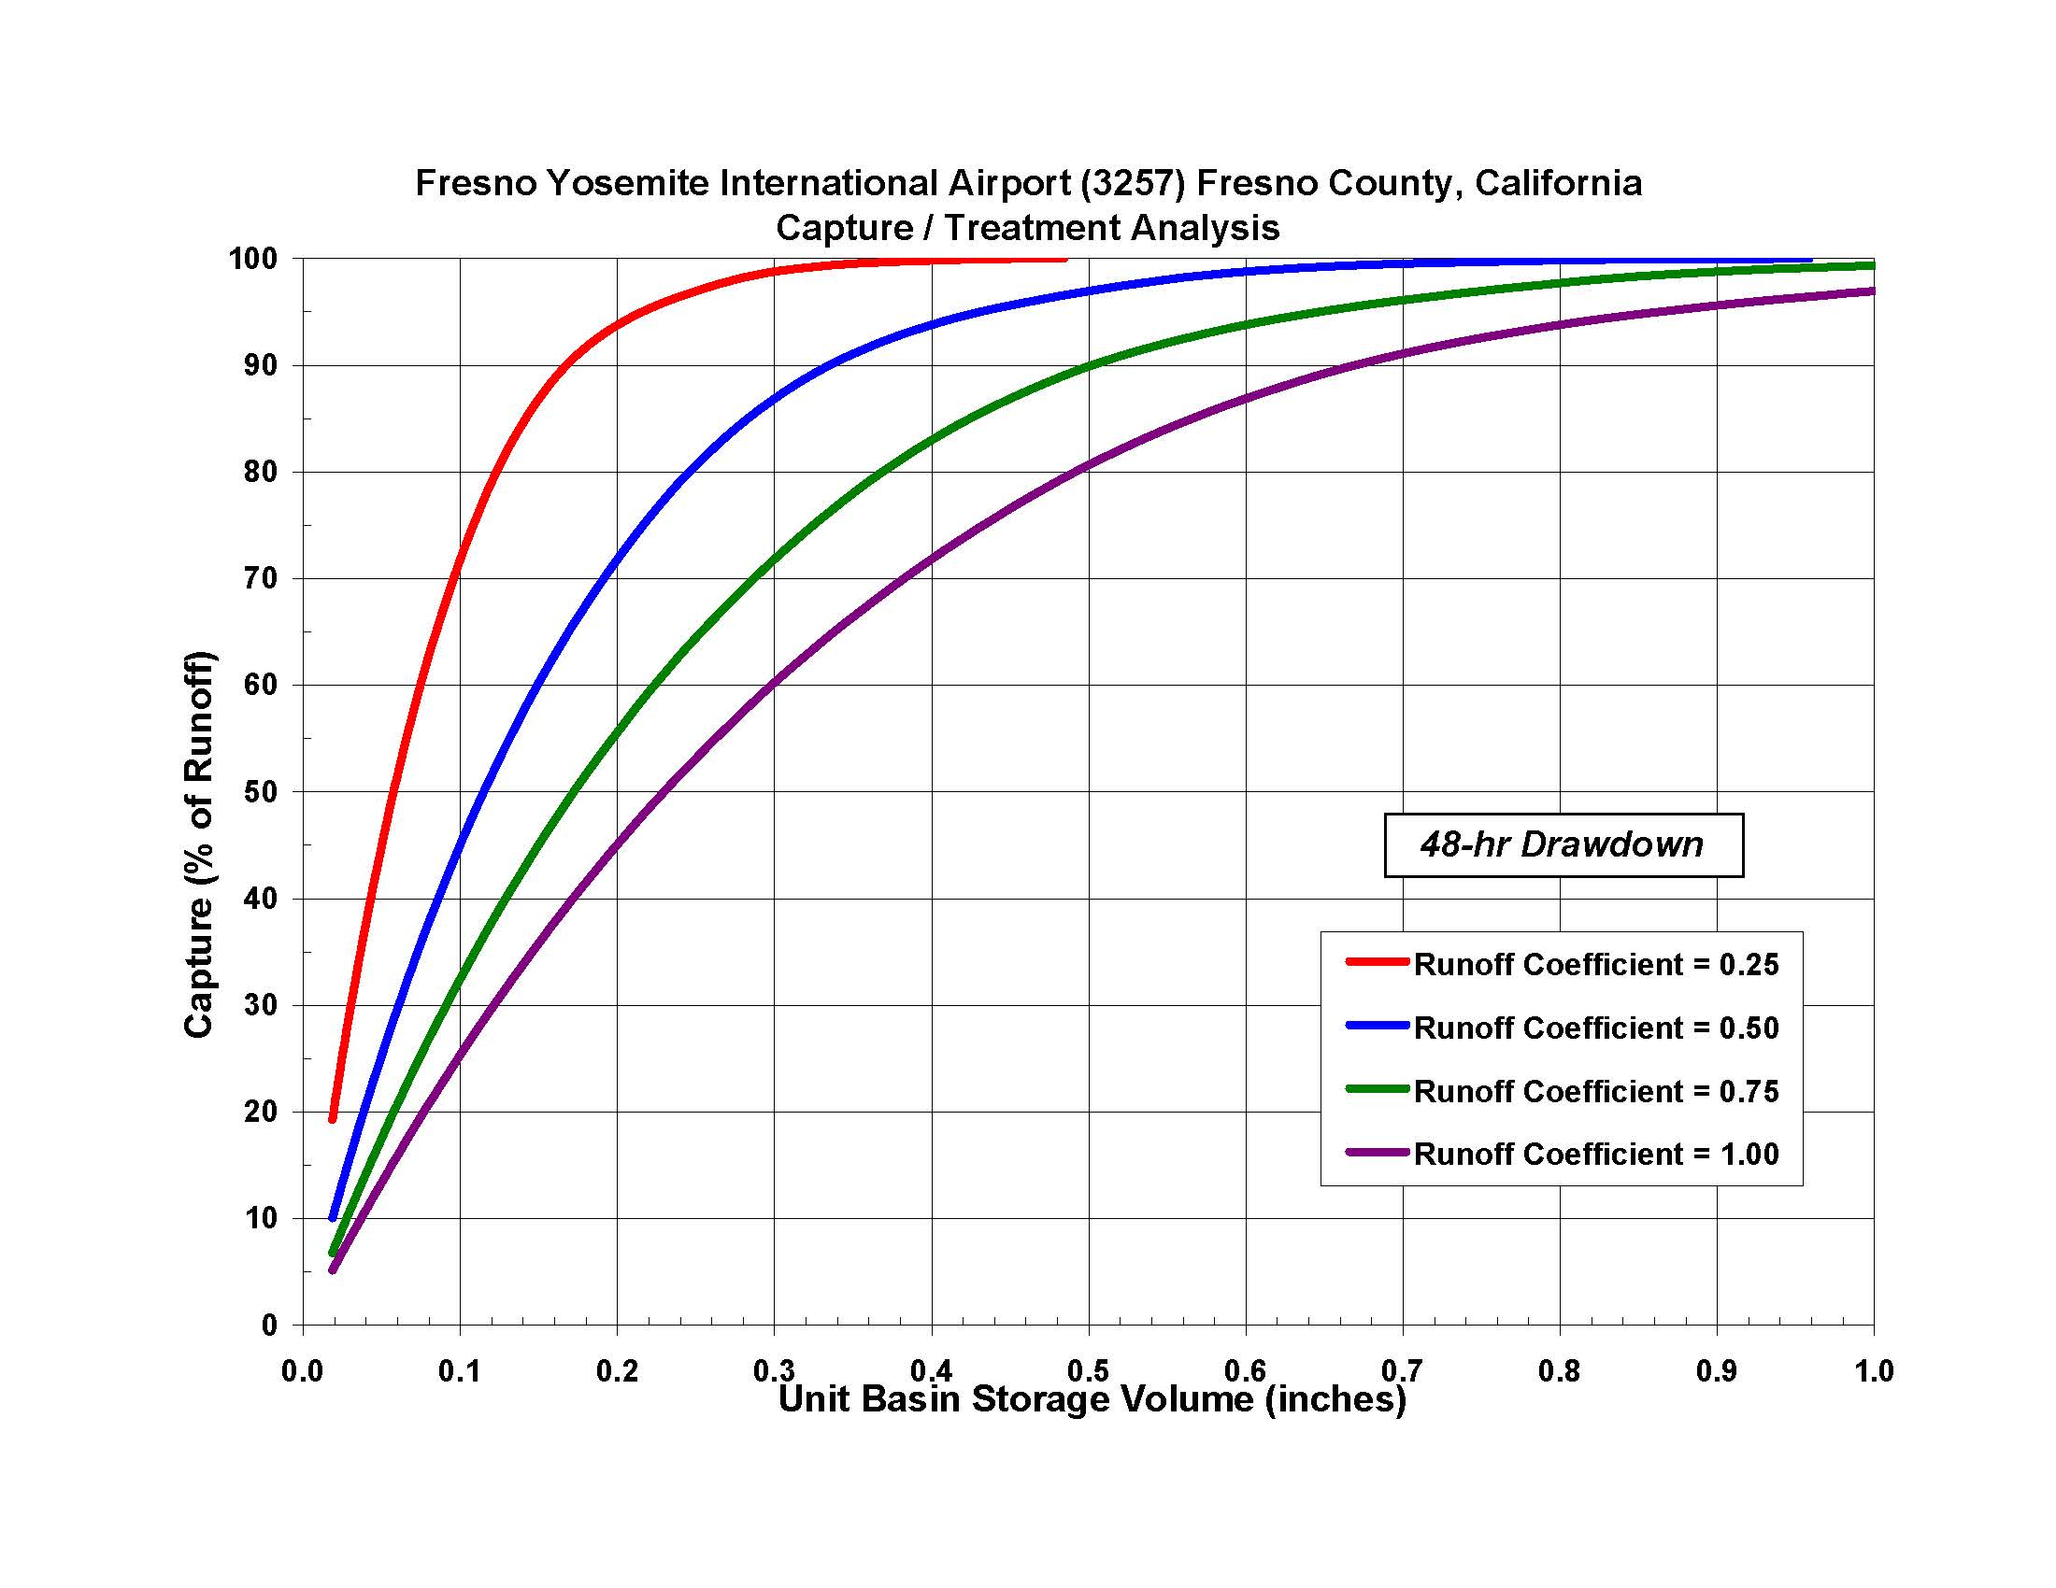

0.49
0.37
0.24
0.12

P6 Table
P6 Values from
from Appendix D of the California Storm Water BMP Handbook for New Development and Redevelopment

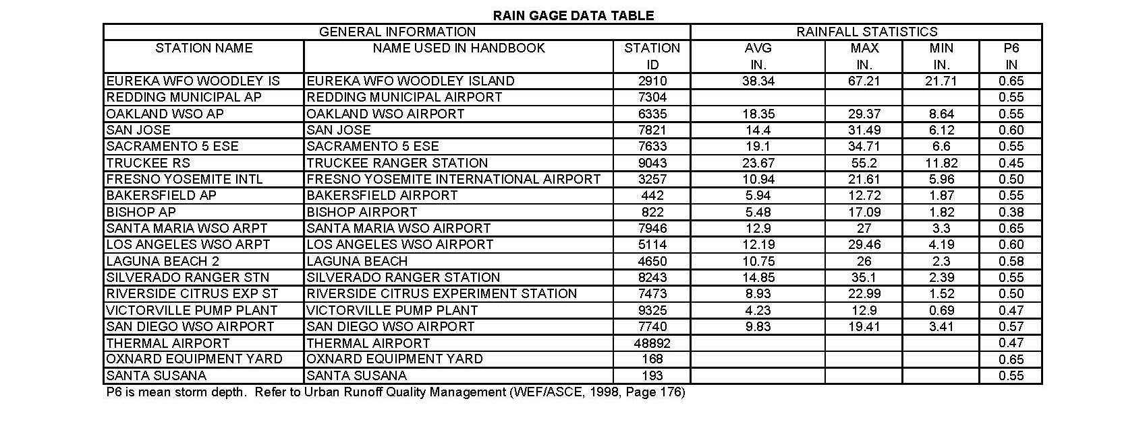

 | P6 Values (inches):
 | Redding | 0.55
 | Sacramento | 0.55
 | Fresno | 0.50
 | Default | 0.55 | Most conservative value

2 yr. - 24 hr. Storm
2-Year 24-Hour Isopluvials for Northern California
Contours are in tenths of an inch (i.e. 25 = 2.5")

For projects that create or replace one or more acres of impervious surface, enter the 2-Year 24-Hour storm amount to calculate the initial amount of discharge for which the post-construction project cannot exceed the pre-construction flow rate value:
Enter the 2-Year 24-Hour value for the project location: | inches | Hydromodification treatment goal: | 0 | ft3
 |  |  | 0 | gallons
